PPE
Flinn Item ID | Product Image | Product Description | Price | Order Qty. | Line Item Amount
AP11033 |  | FACE SHIELD, HAND SANITIZER AND GLOVES PPE BUNDLE | $155.00 |  | $-
AP11034 |  | GOGGLES, HAND SANITIZER AND GLOVES PPE BUNDLE | $108.00 |  | $-
AP11035 |  | SAFETY GLASSES, HAND SANITIZER AND GLOVES PPE BUNDLE | $147.00 |  | $-
AP11043 |  | MASKS, GLOVES AND SANITIZER STUDENT PPE BUNDLE, 30 STUDENTS, 1 MONTH | $115.00 |  | $-
AP11037 |  | HAND SANITIZER, 200 ML, PKG/10 | $45.00 |  | $-
AP11042 |  | FLINN SANITIZER, 4 OZ, PKG OF 10 | $37.50 |  | $-
AP11032 |  | HAND SANITIZER, TRAVEL SIZE, 50 ML, PKG. OF 10 BOTTLES | $39.95 |  | $-
AP10653 | 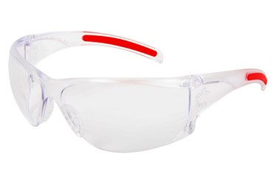 | TALL LENS SAFETY GLASSES | $7.95 |  | $-
AP10654 |  | TALL LENS SAFETY GLASSES, ANTI FOG | $8.95 |  | $-
AP10655 |  | OVER THE GLASS SAFETY GLASSES ANTI FOG | $6.50 |  | $-
AP3302 | 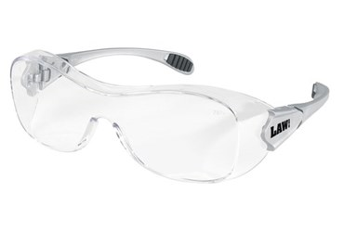 | GLASSES, VISITORS, CLEAR | $4.49 |  | $-
AP4661 |  | BIO-GLASSES, BLACK | $7.85 |  | $-
AP8572 |  | BIO GLASSES, PURPLE/NEON GREEN | $8.16 |  | $-
AP8573 |  | BIO GLASSES - NEON GREEN | $8.35 |  | $-
AP8575 |  | BIO GLASSES, RED | $8.16 |  | $-
AP8576 |  | BIO GLASSES BLUE | $7.85 |  | $-
AP3306 | 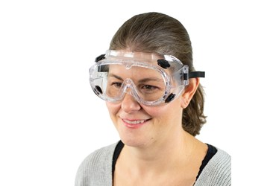 | GOGGLES, STANDARD, VENTED | $9.12 |  | $-
AP3309 |  | GOGGLES, FOG FREE, STANDARD, VENTED | $10.90 |  | $-
AP3312 |  | GOGGLES, SMALL SIZE, STANDARD | $9.65 |  | $-
SE1049 |  | GOGGLES NON VENTED STD SIZE WITH FOG FREE LENS | $10.35 |  | $-
AP1362 | 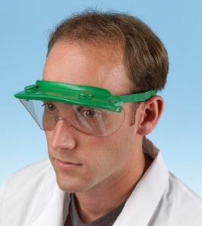 | VISORGOG, SAFETY GOGGLE | $8.95 |  | $-
AP7686 | 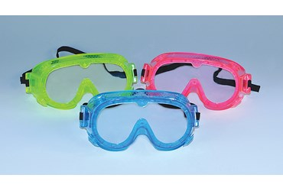 | GOGGLES, PINK, CHEMICAL SPLASH ECONOMY CHOICE, PKG. 10 | $55.40 |  | $-
AP7687 |  | GOGGLES, BLUE, CHEMICAL SPLASH ECONOMY CHOICE, PKG, 10 | $55.40 |  | $-
AP7688 |  | GOGGLES, YELLOW, CHEMICAL SPLASH, ECONOMY, PKG. 10 | $56.45 |  | $-
AP7474 |  | UVEX SAFETY GOGGLES | $20.95 |  | $-
AP8739 |  | GOGGLES, INSTRUCTOR, CHEMICAL SPLASH | $14.75 |  | $-
AP8955 |  | GOGGLES, CHEMICAL SPLASH, ECONOMY CHOICE, STANDARD LENS | $4.85 |  | $-
AP8956 |  | GOGGLES, CHEMICAL SPLASH, ECONOMY CHOICE, FOG-FREE LENS | $6.53 |  | $-
SE226 | 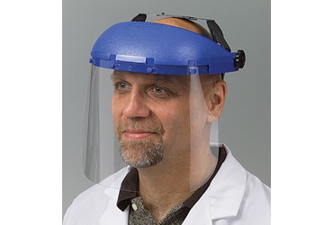 | FULL FACE SHIELD, COMPLETE | $39.40 |  | $-
AP11017 |  | FACE SHIELD, MEDICAL | $10.00 |  | $-
SE1053 |  | RESPIRATOR, DOUBLE FILTER | $85.00 |  | $-
SE1054 |  | FILTER FOR RESPIRATOR, DOUBLE FILTER, PKG. OF 2 | $46.85 |  | $-
AP3215 |  | GLOVES, MEDIUM, PKG/100 MEDIUM, DISPOSABLE | $15.65 |  | $-
AP3216 |  | GLOVES, LARGE, PKG/100 POLYETHYLENE, DISPOSABLE | $15.65 |  | $-
AP9779 |  | GLOVES, XL, PACKAGE OF 500 POLYETHYLENE, DISPOSABLE | $16.30 |  | $-
SE1032 |  | GLOVES, POLYETHYLENE, DISPOSABLE, PKG. 0F 500 | $36.20 |  | $-
AP3230 | 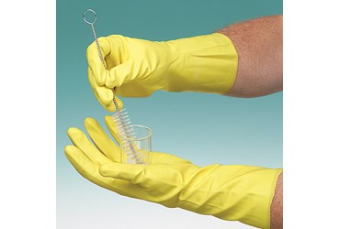 | GLOVES, RUBBER, PLAYTEX, SMALL | $3.50 |  | $-
AP3232 |  | GLOVES,RUBBER,PLAYTEX,MEDIUM | $3.50 |  | $-
AP3234 |  | GLOVES, RUBBER, PLAYTEX, LARGE | $3.42 |  | $-
AP4581 |  | GLOVES, X-LARGE, PLAYTEX-TYPE, GENERAL PURPOSE | $3.42 |  | $-
AP3240 |  | GLOVES, ZETEX, 11" HEAT RESISTANT | $75.50 |  | $-
AP3242 |  | GLOVES, ZETEX, 14" HEAT RESISTANT | $78.75 |  | $-
AP3257 |  | NITRILE GLOVES, #7 | $4.02 |  | $-
AP3258 |  | NITRILE GLOVES, #8 | $4.02 |  | $-
AP3259 |  | NITRILE GLOVES, #9 | $4.02 |  | $-
AP3260 |  | NITRILE GLOVES, #10 | $4.02 |  | $-
AP3262 |  | NITRILE GLOVES, #11 | $4.02 |  | $-
AP4427 | 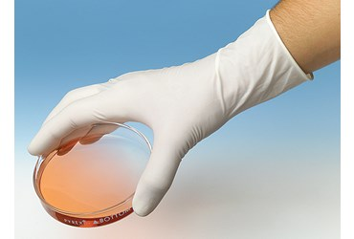 | LATEX GLOVE, SMALL, PK/100 | $16.30 |  | $-
AP4429 |  | LATEX GLOVE, LARGE, PK/100 | $16.30 |  | $-
AP4582 |  | LATEX GLOVE, X-LARGE, PK/100 | $16.30 |  | $-
AP4826 |  | LATEX GLOVES, SMALL, POWDER- FREE (BOX/100) | $18.85 |  | $-
AP4827 |  | LATEX GLOVES, MEDIUM, POWDER- FREE (BOX/100) | $18.85 |  | $-
AP4828 |  | LATEX GLOVES, LARGE, POWDER- FREE (BOX/100) | $18.85 |  | $-
AP4829 |  | LATEX GLOVES, X-LARGE, POWDER- FREE (BOX/100) | $20.35 |  | $-
AP11044 | 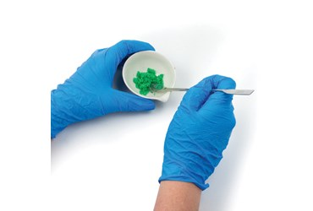 | GLOVES, NITRILE, DISPOSABLE, X-SMALL (PKG/100) | $24.00 |  | $-
AP7078 |  | GLOVES, NITRILE, DISPOSABLE, SMALL (PKG/100) | $24.00 |  | $-
AP7079 |  | GLOVES, NITRILE, DISPOSABLE, MEDIUM (PKG/100) | $24.00 |  | $-
AP7080 |  | GLOVES, NITRILE, DISPOSABLE, LARGE (PKG/100) | $24.00 |  | $-
AP7081 |  | GLOVES, NITRILE, DISPOSABLE, X-LARGE (PKG/100) | $24.00 |  | $-
AP7482 |  | BUTYL RUBBER GLOVES, LARGE | $33.25 |  | $-
AP9358 |  | NITRILE GLOVES, LAVENDER, X-SM KIMBERLY CLARK | $30.40 |  | $-
AP9359 |  | NITRILE GLOVES, LAVENDER, SM KIMBERLY CLARK | $30.40 |  | $-
AP9360 |  | NITRILE GLOVES, LAVENDER, M KIMBERLY CLARK | $30.40 |  | $-
AP9361 |  | NITRILE GLOVES, LAVENDER, L KIMBERLY CLARK | $30.40 |  | $-
AP9362 |  | NITRILE GLOVES, LAVENDER, XL KIMBERLY CLARK, BOX OF 90 | $30.40 |  | $-
AP3280 |  | COAT, LAB, MENS, SIZE 36 DACRON/COTTON | $47.60 |  | $-
AP3281 |  | COAT, LAB, MENS, SIZE 38 DACRON/COTTON | $45.30 |  | $-
AP3282 |  | COAT, LAB, MENS, SIZE 40 DACRON/COTTON | $47.60 |  | $-
AP3283 |  | COAT, LAB, MENS, SIZE 42 DACRON/COTTON | $47.60 |  | $-
AP3284 |  | COAT, LAB, MENS, SIZE 44 DACRON/COTTON | $44.00 |  | $-
AP8868 |  | COAT, LAB, MENS, SIZE 46 DACRON/COTTON | $43.15 |  | $-
AP8869 |  | COAT, LAB, MENS, SIZE 48 DACRON/COTTON | $45.75 |  | $-
AP3290 |  | COAT, LAB, LADIES, SIZE 28 DACRON/COTTON | $41.50 |  | $-
AP3291 |  | COAT, LAB, LADIES, SIZE 30 DACRON/COTTON | $41.50 |  | $-
AP3292 |  | COAT, LAB, LADIES, SIZE 32 DACRON/COTTON | $41.50 |  | $-
AP3293 |  | COAT, LAB, LADIES, SIZE 34 DACRON/COTTON | $41.50 |  | $-
AP3294 |  | COAT, LAB, LADIES, SIZE 36 DACRON/COTTON | $46.90 |  | $-
AP3295 |  | COAT, LAB, LADIES, SIZE 38 DACRON/COTTON | $44.65 |  | $-
AP3270 |  | COATS, LAB, DISPOSABLE TYVEK, MEDIUM | $8.39 |  | $-
AP3271 |  | COATS, LAB, DISPOSABLE TYVEK, LARGE | $8.39 |  | $-
AP3272 |  | COATS, LAB, DISPOSABLE TYVEK, X-LARGE | $8.10 |  | $-
AP7120 |  | APRON, VINYL, PLASTIC | $7.47 |  | $-
AP7125 | 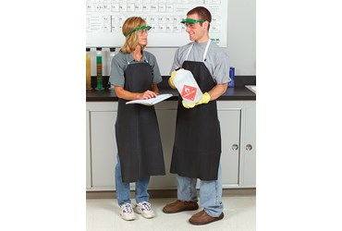 | APRON, RUBBERIZED, MEDIUM DUTY 27"W X 36"L | $15.45 |  | $-
AP7126 |  | APRON, RUBBERIZED, MEDIUM DUTY 27"W X 42"L | $15.45 |  | $-
AP7127 |  | APRON, RUBBERIZED, MEDIUM DUTY 36"W X 46"L | $19.35 |  | $-
AP7130 |  | APRON, RUBBERIZED, HEAVY DUTY 27"W X 36"L | $16.35 |  | $-
AP7131 |  | APRON, RUBBERIZED, HEAVY DUTY 27"W X 42"L | $17.00 |  | $-
AP7132 |  | APRON, RUBBERIZED, HEAVY DUTY 36"W X 42"L | $21.40 |  | $-
AP7473 |  | LENS CLEANING TOWELETTES, 100 TOWELETTES PER PACKAGE | $13.85 |  | $-
AP9033 |  | CLEANSE-A-LENS STATION | $17.15 |  | $-
SE1000 | 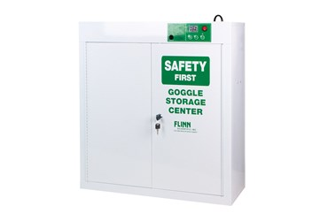 | GOGGLE SANITIZER, FLINN | $615.00 |  | $-
SE1093 |  | FLINN GOGGLE SANITIZER, DIGITAL | $660.00 |  | $-
SE1094 |  | FLINN GOGGLE SANITIZER, DIGITAL, SMALL | $545.00 |  | $-
AP11039 |  | INFRARED FOREHEAD THERMOMETER | $125.00 |  | $-
FB1939 |  | THERMOMETERS, SINGLE USE, PKG. OF 100 | $39.35 |  | $-
AP8559 | 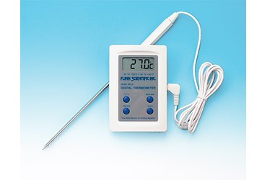 | FLINN DIGITAL THERMOMETER, WITH EXTENSION PROBE | $42.35 |  | $-
GP3019 |  | PETRI DISH, BOROSILICATE GLASS, 100 × 15 MM, PKG. OF 6 | $47.25 |  | $-
GP3020 |  | PETRI DISH, BOROSILICATE GLASS, 100 × 15 MM, PKG. OF 12 | $88.35 |  | $-
AP8170 |  | PETRI DISH, DISPOSABLE, 90 X 15 MM, PKG. OF 20 | $6.45 |  | $-
AP7696 |  | SWAB APPLICATORS, STERILE, PKG. OF 200 | $26.20 |  | $-
AP1144 |  | KLEENEX® TISSUES | $5.25 |  | $-
AP1141 |  | KIMWIPES, 4½" X 8½", BOX OF 280 | $6.10 |  | $-
AP1142 |  | KIMWIPES, 15" X 16⅞", BOX OF 140 | $15.50 |  | $-
FB2082 |  | STERILE GRADUATED PIPETS | $7.50 |  | $-
AP9843 | 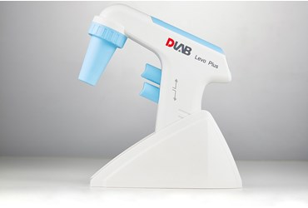 | LEVO PLUS PIPET FILLER | $155.00 |  | $-
AP10034 |  | LEVO ME PIPET FILLER | $115.00 |  | $-
AP9504 | 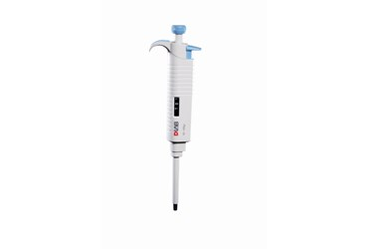 | MICROPETTE™ PLUS, AUTOCLAVABLE, ADJUSTABLE VOLUME, 0.1–2.5 µL | $114.00 |  | $-
AP9505 |  | MICROPETTE™ PLUS, AUTOCLAVABLE, ADJUSTABLE VOLUME, 0.5–10 µL | $114.00 |  | $-
AP9506 |  | MICROPETTE™ PLUS, AUTOCLAVABLE, ADJUSTABLE VOLUME, 2–20 µL | $114.00 |  | $-
AP9507 |  | MICROPETTE™ PLUS, AUTOCLAVABLE, ADJUSTABLE VOLUME, 5–50 µL | $111.00 |  | $-
AP9508 |  | MICROPETTE™ PLUS, AUTOCLAVABLE, ADJUSTABLE VOLUME, 10–100 µL | $114.00 |  | $-
AP9509 |  | MICROPETTE™ PLUS, AUTOCLAVABLE, ADJUSTABLE VOLUME, 20–200 µL | $114.00 |  | $-
AP9510 |  | MICROPETTE™ PLUS, AUTOCLAVABLE, ADJUSTABLE VOLUME, 50–200 µL | $112.00 |  | $-
AP9511 |  | MICROPETTE™ PLUS, AUTOCLAVABLE, ADJUSTABLE VOLUME, 100–1000 µL | $114.00 |  | $-
AP9512 |  | MICROPETTE™ PLUS, AUTOCLAVABLE, ADJUSTABLE VOLUME, 200–1000 µL | $111.00 |  | $-
AP9513 |  | MICROPETTE™ PLUS, AUTOCLAVABLE, ADJUSTABLE VOLUME, 1000–5000 µL | $114.00 |  | $-
AP9501 |  | MICROPETTE™ PLUS, AUTOCLAVABLE, ADJUSTABLE VOLUME, 8-CHANNEL, 0.5-10 µL | $224.00 |  | $-
AP9502 |  | MICROPETTE™ PLUS, AUTOCLAVABLE, ADJUSTABLE VOLUME, 8-CHANNEL, 5-50 µL | $226.00 |  | $-
AP9503 |  | MICROPETTE™ PLUS, AUTOCLAVABLE, ADJUSTABLE VOLUME, 8-CHANNEL, 50-300 µL | $233.00 |  | $-
AP9704 |  | MICROPIPET TIPS, STERILE, RACKED, PK/50, 5000 µL | $36.90 |  | $-
AP8077 |  | MICROPIPET TIPS, STERILE, RACKED, PK/960, 0.5-200 µL | $73.85 |  | $-
AP8078 |  | MICROPIPET TIPS, STERILE, RACKED, PK/960, 100-1000 µL | $83.20 |  | $-
AP5389 | 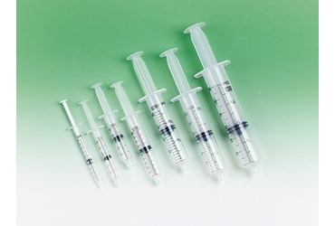 | SYRINGE, WITHOUT NEEDLE, 1 ML | $0.46 |  | $-
AP1728 |  | SYRINGE, WITHOUT NEEDLE, 3 ML | $0.65 |  | $-
AP1729 |  | SYRINGE, WITHOUT NEEDLE, 6 ML | $0.78 |  | $-
AP1731 |  | SYRINGE, WITHOUT NEEDLE, 20 ML | $1.80 |  | $-
AP1732 |  | SYRINGE, WITHOUT NEEDLE, 35 ML | $2.30 |  | $-
AP8754 |  | SYRINGE, WITHOUT NEEDLE, 60 ML | $4.44 |  | $-
AP6315 |  | SYRINGE, WITHOUT NEEDLE, 140 ML | $11.20 |  | $-
AP9103 |  | REACTION VIALS, 1-DRAM, CASE OF 144 | $130.00 |  | $-
AP9104 |  | REACTION VIALS, 1-DRAM, PKG. OF 12 | $16.45 |  | $-
AP9105 |  | REACTION VIALS, 2-DRAM, CASE OF 144 | $165.00 |  | $-
AP9106 |  | REACTION VIALS, 2-DRAM, PKG. OF 12 | $19.30 |  | $-
FB0015 |  | SNAP-SEAL VIALS, 45 ML, PKG. OF 10 | $4.50 |  | $-
FB0016 |  | SNAP-SEAL VIALS, 120 ML, PKG. OF 10 | $5.10 |  | $-
FB0017 |  | SNAP-SEAL VIALS, 300 ML, PKG. OF 10 | $8.77 |  | $-
AP10031 |  | ABSORBENT DISPOSABLE UNDERPADS, PKG. OF 25 | $4.07 |  | $-
SE265 |  | SPILL MAT, LABORATORY | $63.05 |  | $-
SE121 |  | ABSORBENT CHEMICAL PADS, PKG. OF 6 | $8.90 |  | $-
SE155 |  | ABSORBENT, SPILL PILLOWS, 1 L, PKG. OF 10 | $140.00 |  | $-
SE150 |  | ABSORBENT, SPILL PILLOWS, 250 ML, PKG. OF 20 | $114.00 |  | $-
FB0060 |  | BIOHAZARD DISPOSAL BAGS, PKG. OF 25 | $25.20 |  | $-
 |  |  |  | Order Total: | $-

